Gateway Drug Use Nicotine
 | from pages D-2 - D-4 (Appendix D)

Survey Item | Question | Category
IRCGIRTB | After not smoking for a while, you need to smoke in order to feel less restless and | Nicotine Dependence
 | irritable |  | Nicotine Dependence Syndrome Scale (NDSS): | Fagerstrom Test of Nicotine Dependence (FTND):
 |  |  | Responses to items IRCGIRTB, IRCGCRV, IRCGCRGP, IRCGAVD, IRCGPLN, | The FTND is a multi-item measure of dependence, but much of its ability to discriminate
IRCGCRV | When you don't smoke for a few hours, you start to crave cigarettes | Nicotine Dependence | IRCGROUT, IRCGRGDY, IRCGRGWK, IRCGRGNM, IRCGNINF, IRCGINCR, IRCGSAT, | dependent smokers derives from a single item assessing how soon after waking smokers have
 |  |  | and IRCGLMR were coded from 1 to 5 where | their first cigarette (Heatherton, Kozlowski, Frecker, Rickert, & Robinson, 1989). Because most
IRCGCRGP | You sometimes have strong cravings for a cigarette where it feels like you're in the | Nicotine Dependence | 1= Not at all true of me | nicotine is cleared from the bloodstream overnight, smokers typically wake in nicotine
 | grip of a force you can't control |  | 2= Sometimes true of me | deprivation, and rapid movement to smoke is considered a sign of dependence. A respondent
 |  |  | 3= Moderately true of me | who reported smoking cigarettes in the past month was defined as nicotine dependent based on
IRCGNCTL | You feel a sense of control over your smoking - that is, you can "take it or leave it" at | Nicotine Dependence | 4= Very true of me | the FTND, FTNDDNSP, if the first cigarette smoked was within 30 minutes of waking up on the
 | any time |  | 5= Extremely true of me. | days he or she smoked (CIGWAKE=1 or 2).

IRCGROUT | You sometimes worry that you will run out of cigarettes | Nicotine Dependence
 |  |  | Responses to items IRCGNCTL, IRCGNCG, IRCGSLHR, and IRCGINFL were reverse
IRCGINCR | Since you started smoking, the amount you smoke has increased | Nicotine Dependence | coded from 5 to 1 where
 |  |  | 5= Not at all true of me | Nicotine (Cigarette) Dependence:
IRCGSAT | Compared to when you first started smoking, you need to smoke a lot more now in | Nicotine Dependence | 4= Sometimes true of me | Using both the NDSS and the FTND, a respondent was defined as having nicotine
 | order to be satisfied |  | 3= Moderately true of me | (cigarette) dependence in the past month, DNICNSP, if he or she met either the NDSS
 |  |  | 2= Very true of me | (NDSSDNSP=1) or FTND (FTNDDNSP=1) criteria for dependence.
IRCGLMR | Compared to when you first started smoking, you can smoke much, much more now | Nicotine Dependence | 1= Extremely true of me.
 | before you start to feel anything
 |  |  | For respondents who reported smoking cigarettes in the past month, the NDSS score,
IRCGRGDY | You smoke cigarettes fairly regularly throughout the day | Nicotine Dependence | NDSSANSP, was calculated as the sum of the responses to the previous questions divided by 17.
 |  |  | The NDSS score was calculated only for those who had responses to all 17 questions after
IRCGRGWK | You smoke about the same amount on weekends as on weekdays | Nicotine Dependence | imputation. If a respondent did not have valid responses (based on actual reporting and
 |  |  | imputation) to all 17 questions, then his or her NDSS score was defined as missing.
IRCGRGNM | You smoke just about the same number of cigarettes from day to day | Nicotine Dependence
 |  |  | A respondent was defined as nicotine dependent, NDSSDNSP=1, if the NDSS score was
IRCGNCG | It's hard to say how many cigarettes you smoke per day because the number often | Nicotine Dependence | greater than or equal to 2.75. If the NDSS score was less than 2.75 or missing, then the
 | changes |  | respondent was determined to be nondependent, NDSSDNSP=0, based on the NDSS

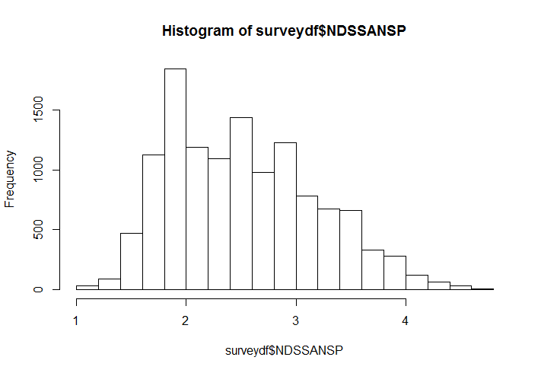
IRCGSLHR | It's normal for you to smoke several cigarettes in an hour, then not have another one | Nicotine Dependence
 | until hours later

IRCGAVD | You tend to avoid places that don't allow smoking, even if you would otherwise enjoy | Nicotine Dependence
 | them

CIGFNLKE | There are times when you choose not to be around your friends who don't smoke | Nicotine Dependence
 | because they won't like it if you smoke

IRCGPLN | Even if you're traveling a long distance, you'd rather not travel by airplane because | Nicotine Dependence
 | you wouldn't be allowed to smoke

CIGFNSMK | Do you have any friends who do not smoke cigarettes

IRCGINFL | The number of cigarettes you smoke per day is often influenced by other things - how | Nicotine Dependence
 | you're feeling, or what you're doing, for example

IRCGNINF | Your smoking is not affected much by other things. For example, you smoke about | Nicotine Dependence
 | the same amount whether you're relaxing or working, happy or sad, alone or with
 | others

NDSSANSP | Recoded variable; combination of all the above variables; range from 1 to 4.71. Above | Nicotine Dependence
 | 2.75 is classified as nicotine dependent according to NDSS classification
 | (see notes to right)

FTNDDNSP | Recoded variable based on whether first cigarette was smoked within | Nicotine Dependence
 | 30 minutes of waking up and smoked a cigarette in the past month ; see notes to far right.

GRSKPKCG | Len: 1 GREAT RISK: SMOKE 1+ PACKS CIGARETTES PER DAY Freq Pct
 | . = Unknown (Otherwise) .................................................................................... 391 0.71
 | 0 = Otherwise (RSKPKCIG=1,2,3) ...................................................................... 17899 32.39
 | 1 = Great Risk (RSKPKCIG=4) ........................................................................... 36978 66.91

